Pivot Table
Average Income Per purchase

Average of Income | Column Labels
Row Labels | No | Yes | Grand Total
Female | 53440 | 55774 | 54581
Male | 56208 | 60124 | 58063
Grand Total | 54874.759152 | 57962.577963 | 56360

Customer Commute
Count of Purchased Bike | Column Labels
Row Labels | No | Yes | Grand Total
0-1 Miles | 166 | 200 | 366
1-2 Miles | 92 | 77 | 169
2-5 Miles | 67 | 95 | 162
5-10 Miles | 116 | 76 | 192
More than 10 miles | 78 | 33 | 111
Grand Total | 519 | 481 | 1000

Customer Age Brackets

Count of Purchased Bike | Column Labels
Row Labels | No | Yes | Grand Total
Adolescent | 71 | 39 | 110
Middle Age | 318 | 383 | 701
Old | 130 | 59 | 189
Grand Total | 519 | 481 | 1000

Count of Purchased Bike | Column Labels
Row Labels | Female | Male | Grand Total
Manual | 68 | 51 | 119
Management | 78 | 95 | 173
Clerical | 95 | 82 | 177
Skilled Manual | 122 | 133 | 255
Professional | 126 | 150 | 276
Grand Total | 489 | 511 | 1000

Count of Purchased Bike | Column Labels
Row Labels | No | Yes | Grand Total
Bachelors | 89 | 217 | 306
Graduate Degree | 31 | 143 | 174
High School | 65 | 114 | 179
Partial College | 102 | 163 | 265
Partial High School | 30 | 46 | 76
Grand Total | 317 | 683 | 1000

Dashboard
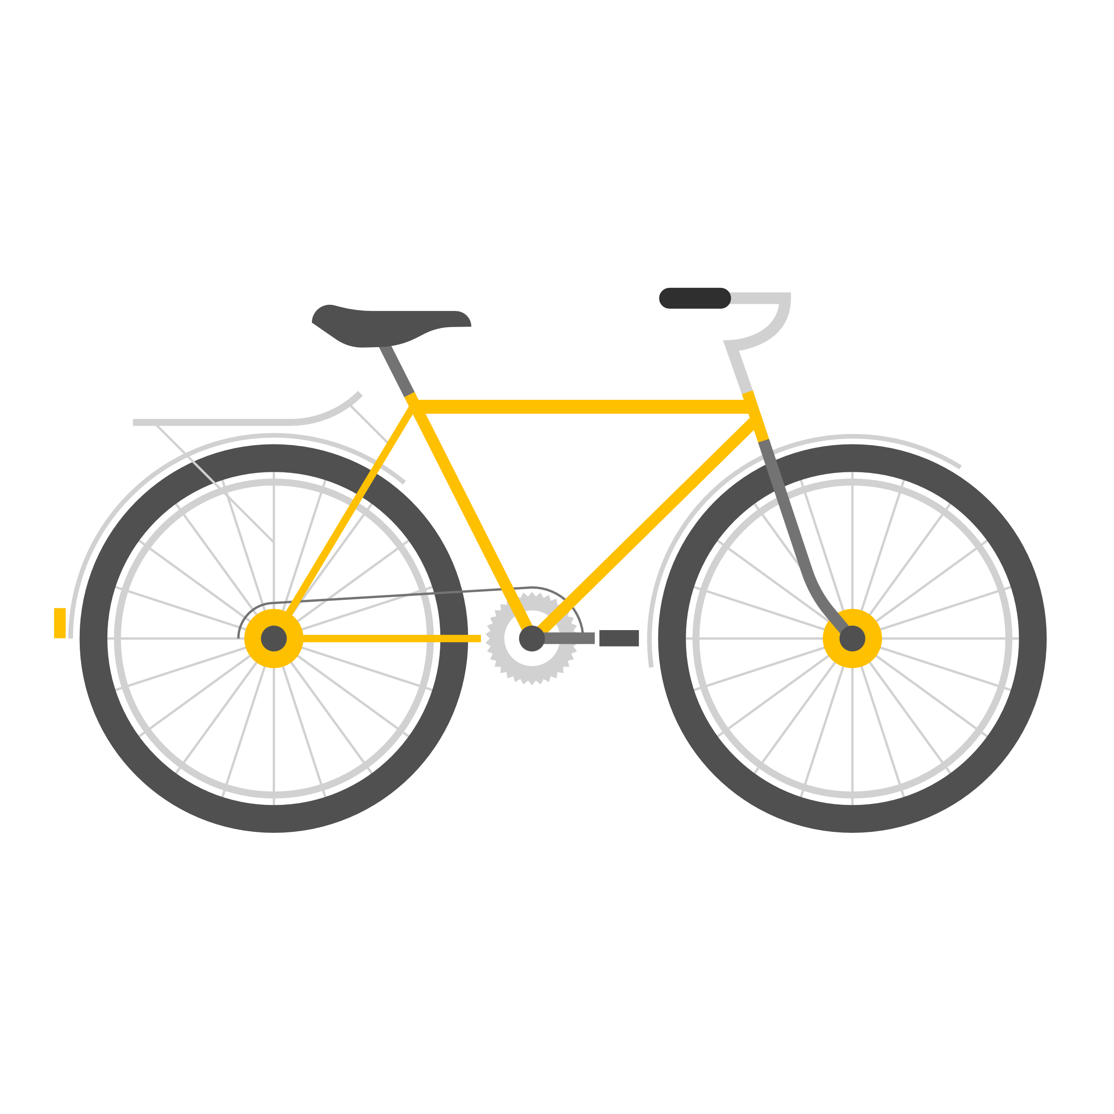
Bike Sales Dashboard

Average Income Per purchase
 | No | Yes
Female | 53440 | 55774
Male | 56208 | 60124
Customer Commute
 | No | Yes
0-1 Miles | 166 | 200
1-2 Miles | 92 | 77
2-5 Miles | 67 | 95
5-10 Miles | 116 | 76
More than 10 miles | 78 | 33

Bike Sales per Occupation and Gender
 | Female | Male
Manual | 68 | 51
Management | 78 | 95
Clerical | 95 | 82
Skilled Manual | 122 | 133
Professional | 126 | 150
Customer Age Brackets
 | No | Yes
Adolescent | 71 | 39
Middle Age | 318 | 383
Old | 130 | 59

Education Level and Home Ownership Status
 | No | Yes
Bachelors | 89 | 217
Graduate Degree | 31 | 143
High School | 65 | 114
Partial College | 102 | 163
Partial High School | 30 | 46

